Certificate of Insurance-tab 2
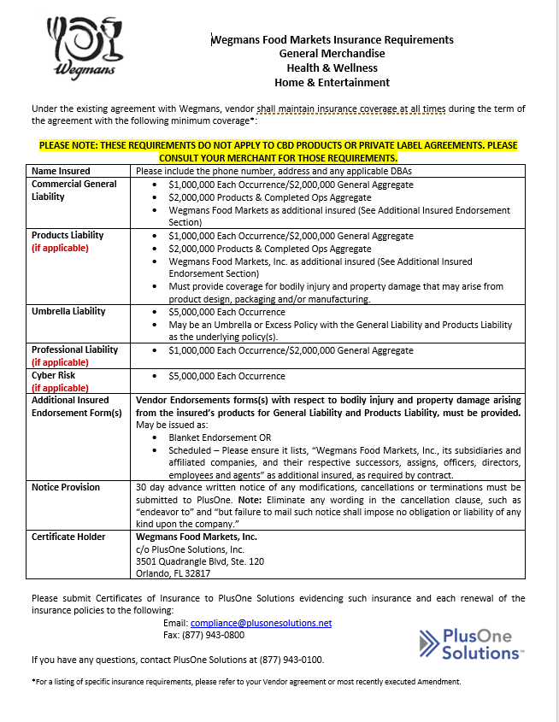
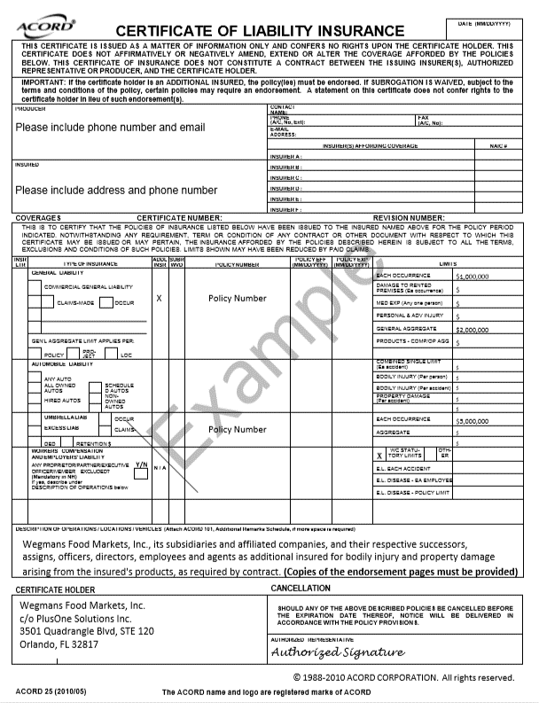
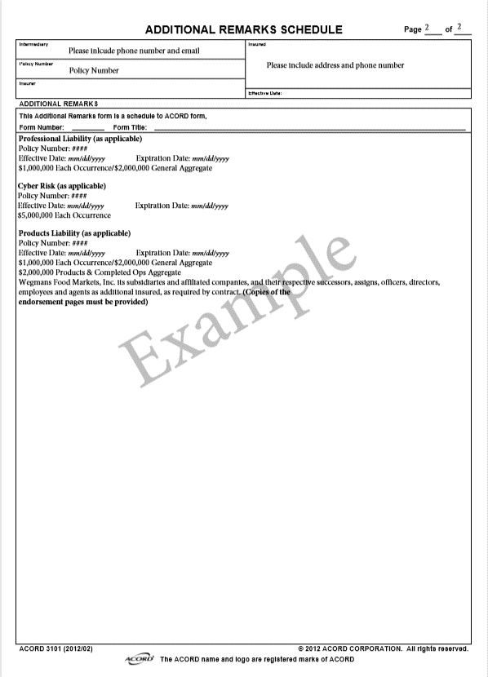

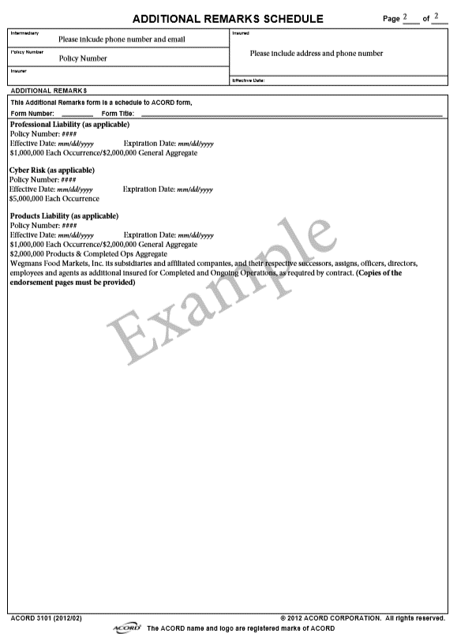

Smarter Sorting-tab 4
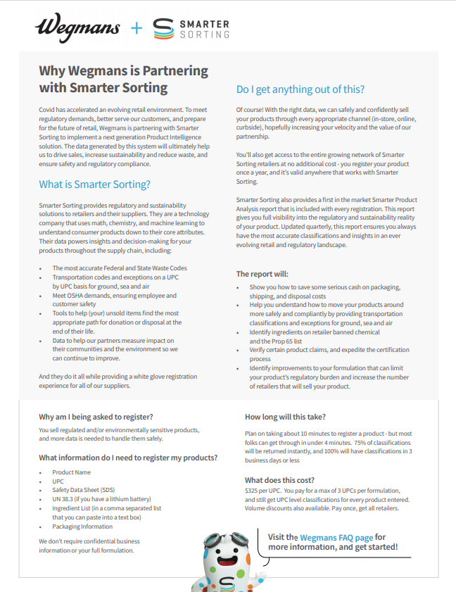

Visit the Wegmans FAQ page for more information and get started

Link | Wegmans FAQ | Smarter Sorting

Visit the link below to begin registration in the Smarter Sorting Classification Portal
for a regulated product sold at Wegmans:

Link | Smarter Sorting for Wegmans

Visit the link below to to see “Does my product need to be classified?"
Link | Does My Product Need to be Registered in the Smarter Sorting Classification Portal

Syndigo-tab 5
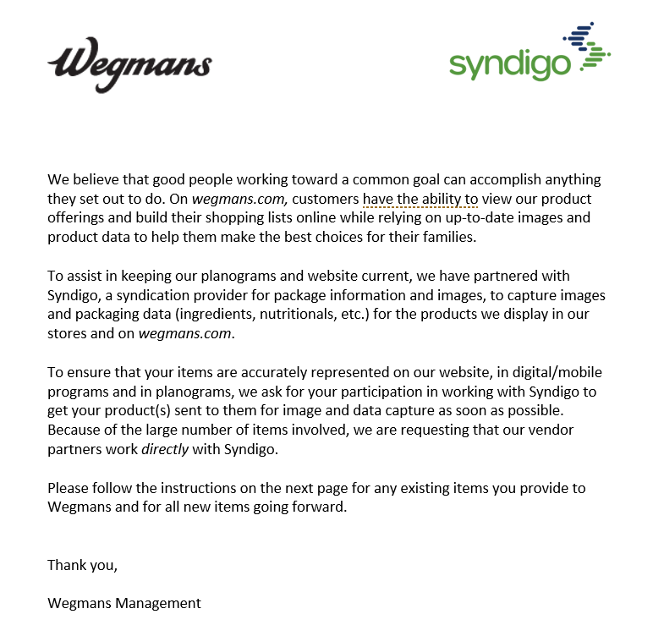
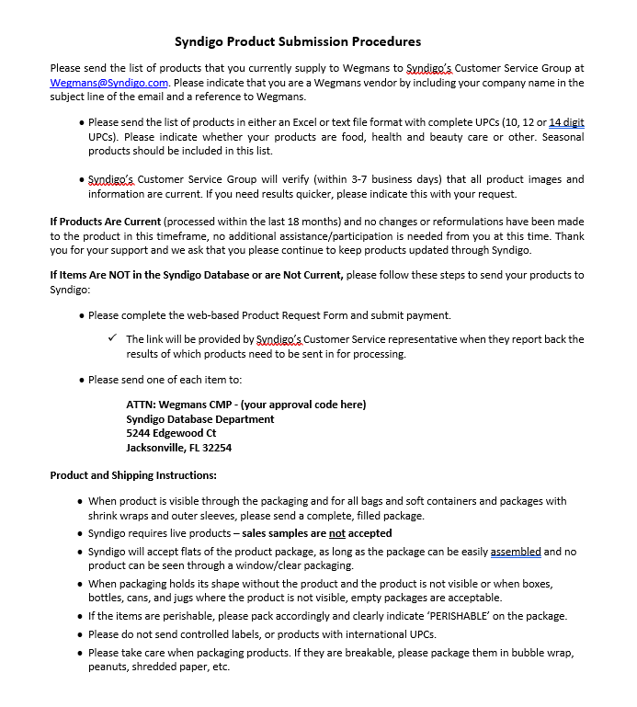

Visit the Wegmans Syndigo link

Link | Wegmans@Syndigo.com

Sell Sheet from Supplier
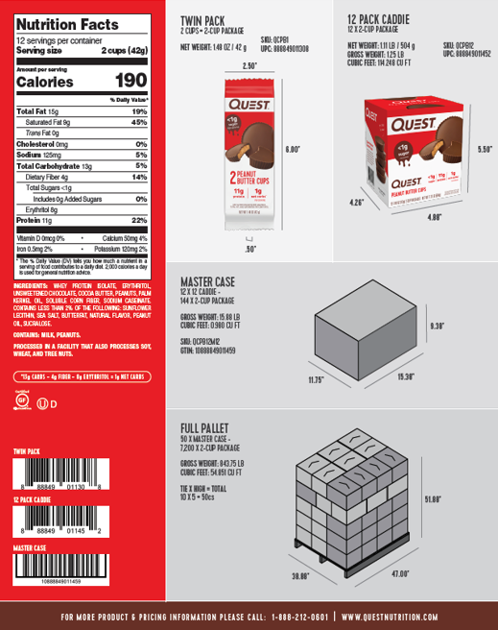
Copy and paste sell sheet below or send sell sheet over with NIFS to the MDM team | example below:

Case Configurations
Carton Configurations/How to fill out Wegmans Health & Beauty Item Fact Sheet

Master Pack = Total number of retail selling units in a master shipping carton
Inner Pack = Total number of retail selling units in the inner unit

Standard Master w/Inner Configuration

Contains
Master Case
24 Pieces |  |  | 6 pcs | 6 Pcs |  | 4 Inners of 6 Retail Selling Units
Item 1A Aspirin |  |  | 6 pcs | 6 Pcs
 |  |  | (Master Carton)
New Item Form
UPC# |  | GITN |  | MFG Style | Item Description |  |  | Color/flavor Strength | Size | Ven Pack | Inner Pack
0-12345-67890 |  | 40001234567890 |  |  | Aspirin |  |  | XS | 100ct | 24 | 6

Contains
Counter Display/Tray Pack Configuration
 |  |  |  |  |  |  | One Selling Unit
Master Case
Contains
9 pcs in tray
9 pcs in tray
9 pcs in tray
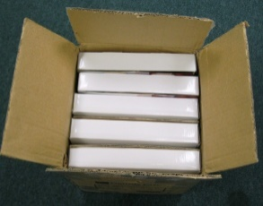
45 pcs |  |  |  |  |  | 5 Inners of 9
9 pcs in tray
9 pcs in tray
Item 1A Red Heart
(tray pack)
 |  |  | (Master Carton)
New Item Form
UPC# |  | GITN |  | MFG Style | Item Description |  |  | Color/flavor Strength | Size | Ven Pack | Inner Pack
0-12345-67890 |  | 40001234567890 |  |  | Red Heart |  |  | Red | 1ea | 45 | 9

Shipper/Assortment Configuration

Master Case
36 pcs
Shampoo/Cond

Assortment Includes
12 Shampoo Regular
6 Conditioner Regular
12 Shampoo Moisture
06 Conditioner Regular

New Item Form
UPC# |  | GITN |  | MFG Style | Item Description |  |  | Color/flavor Strength | Size | Ven Pack | Inner Pack
 |  | 40001234567890 |  |  | Shampoo/Conditioner |  |  | Asst |  | 36 | 0 | need case upc
0-12345-67890 |  |  |  |  | Shampoo |  |  | Reg | 16oz | 12
0-12345-67891 |  |  |  |  | Conditioner |  |  | Reg | 16oz | 6
0-12345-67892 |  |  |  |  | Shampoo |  |  | Moist | 16oz | 12
0-12345-67893 |  |  |  |  | Conditioner |  |  | Moist | 16oz | 6

Ti High/Tier

Ti Hi = number of layers high on a pallet
Tier = number of cases in a layer on a pallet

1 Master
1 Master
1 Master
1 Master
Ti High
1 Master
1 Master
1 Master
1 Master
1 Master | 1 Master
1 Master | 1 Master
1 Master | 1 Master

Top view of Pallet
Tier |  |  | Side View of Pallet

Ti High = 4
Tier = 6
24 Master Cases per pallet

