Sell Sheet from Supplier
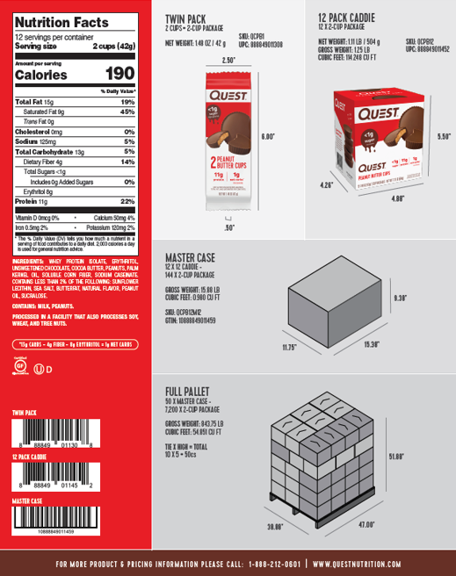
Copy and paste sell sheet below or send sell sheet over with NIFS to the MDM team | example below:

